Sheet1
产品名称 | 产品所在地址 | QTY | Closeout price | photo | link
铁木大酒柜 | Jersey Ave, New Brunswick, NJ, 08901, US | 191 | $33.00 |  | https://www.amazon.com/dp/B0D4TPWVQX
铁木小酒柜 | Jersey Ave, New Brunswick, NJ, 08901, US | 164 | $28.00 |  | https://www.amazon.com/dp/B0D5BFC596
L书架 | Jersey Ave, New Brunswick, NJ, 08901, US | 105 | $30.00 |  | https://www.amazon.com/dp/B0DH1SQZQL
五层书架 | Jersey Ave, New Brunswick, NJ, 08901, US | 27 | $23.00 |  | https://www.amazon.com/dp/B0DCDS6GZ4
LED酒柜 | Jersey Ave, New Brunswick, NJ, 08901, US | 148 | $50.00 | 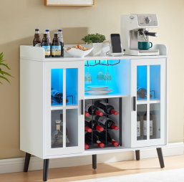 | https://www.amazon.com/dp/B0DDC1MHV4
铁木大酒柜 | Airport Drive Suite A,Dock1-5 Ontario CA 91761 | 64 | $33.00 |  | https://www.amazon.com/dp/B0D4TPWVQX
铁木小酒柜 | Airport Drive Suite A,Dock1-5 Ontario CA 91761 | 43 | $28.00 |  | https://www.amazon.com/dp/B0D5BFC596
LED酒柜 | Airport Drive Suite A,Dock1-5 Ontario CA 91761 | 172 | $50.00 |  | https://www.amazon.com/dp/B0DDC1MHV4
L书架 | Santa Ana Ave Fontana CA 92337 | 112 | $30.00 |  | https://www.amazon.com/dp/B0DCDS6GZ4
五层书架 | Santa Ana Ave Fontana CA 92337 | 162 | $28.00 |  | https://www.amazon.com/dp/B0DCDS6GZ4
L书架 | CYPRESS MEADOW DR,Pooler,GA,31322 | 111 | $30.00 | 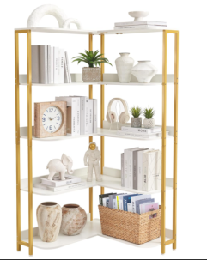 | https://www.amazon.com/dp/B0DCDS6GZ4
五层书架 | CYPRESS MEADOW DR,Pooler,GA,31322 | 114 | $30.00 |  | https://www.amazon.com/dp/B0DCDS6GZ4
LED酒柜 | CYPRESS MEADOW DR,Pooler,GA,31322 | 146 | $50.00 |  | https://www.amazon.com/dp/B0DDC1MHV4
 |  | 1559

